Clean Figures & Table
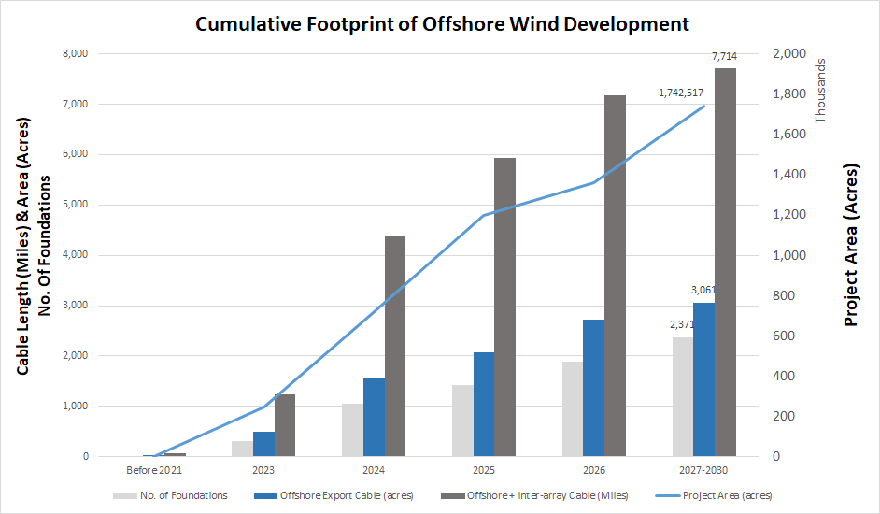
Chart | Project Area (acres) | No. of Foundations | Offshore Export Cable (acres) | Offshore + Inter-array Cable (Miles) | CUMULATIVE Full Buildout - includes Lease areas, NY WEA, Central Atlantic |  |  |  |  |  | NY Bight & Central Atl. ESTIMATES
Before 2021 | 2136.598 | 9 | 28 | 66 | Year | Project Area (acres) | No. of Foundations | Offshore Export Cable (acres) | Inter-array Cable (miles) | Offshore + Inter-array Cable (Miles) | Wind Area | Acres | No. of Fnds | Offshore Export Cable (acres) | Inter-array Cable (miles) | Offshore+ Inter-array Cable (miles)
2023 | 248255.827 | 307 | 496 | 1236 | Before 2021 | 2,137 | 9 | 28 | 11 | 66 | NY WEA | 807,501 | 1,098 | 1,418 | 1,933 | 3,575
2024 | 720390.853 | 1051 | 1551 | 4392 | 2023 | 248,256 | 307 | 496 | 610 | 1,236 | CA Planning Area - Full Draft | 6,377,220 | 8,677 | 11,203 | 15,265 | 28,231
2025 | 1198189.42 | 1418 | 2064 | 5939 | 2024 | 720,391 | 1,051 | 1,551 | 2,340 | 4,392 | Gulf of Maine AOI | 494,037 | 672 | 868 | 1,183 | 2,187
2026 | 1360523.477 | 1894 | 2726 | 7187 | 2025 | 1,198,189 | 1,418 | 2,064 | 3,236 | 5,939
2027-2030 | 1742517.813 | 2371 | 3061 | 7714 | 2026 | 1,360,523 | 1,894 | 2,726 | 3,884 | 7,187 | CA Planning (Outstanding State Goals 12,000MW for VA, NJ, NC) *based on 14MW turbine | 629,940 | 857 | 1,106 | 1,507 | 2,789
 |  |  |  |  | 2027-2030 (existing leases) | 1,742,518 | 2,371 | 3,061 | 4,171 | 7,714
 |  |  |  |  | 2030 (?) (NY Lease Areas) | 2,369,138 | 3,224 | 4,162 | 5,671 | 10,488 | NY Lease Areas | 626,620 | 853 | 1,101 | 1,500 | 2,774
 |  |  |  |  | 2031 (?) (C.Atlantic full draft est.) | 8,746,358 | 11,901 | 15,365 | 20,936 | 38,719
 |  |  |  |  | 2031(?) (Gulf of Maine est.) | 9,240,395 | 12,573 | 16,233 | 22,119 | 40,907

 |  |  |  |  | Table Notes:
 |  |  |  |  | Lease & NY WEA based on 12 MW turbines
 |  |  |  |  | CA based on 14 MW turbines
 |  |  |  |  | Estimated calculations for all non-lease area variables (except acreage) are made by taking the ratio of acres for 1.7 million existing Lease Areas acres to each variable. Example the ratio of 2,371 turbines to 1.7 million acres applied to other wind area acreage
 |  |  |  |  | Development timelines for NY WEA, Central Atlantic, and Gulf of Maine uncertain

